Checklist 301
Test Case ID: | 301
Test Case Name: | TC_ New Comments page creation - UI
Status: | New
Test Type: | UI
Author: | Tymofii Kritsak
Creation Date: | 2017-01-05
Automation: | Recommended
Priority: | High
Objective: | To verify that UI for 'New Comments' page corresponds to mock up.
Pre-Conditions and Setup: | The ‘New Comments’ page is opened.
# | Steps | Instructions | Version (Build) #
 |  |  | Status | Comments | Execution Date
1 | Verify the UI controls presence |  | INVALID | Instuctions needed. | 2017-01-05
 | Verify the UI controls alignment |  | INVALID | Instuctions needed. | 2017-01-05
 | Verify size and font of labels. |  | INVALID | Instuctions needed. Different fonts and sizes of labes and buttons. | 2017-01-05
2 | Verify spelling of labels. |  | FAIL | Label 'Categories' is written in russian instead of english. | 2017-01-05
3 | Verify that 'Comment Text' field is empty by default |  | PASS |  | 2017-01-05
4 | Verify that 'Number’ field is empty by default |  | PASS |  | 2017-01-05
5 | Verify that ‘Active’ checkbox is checked by default |  | PASS |  | 2017-01-05
6 | Verify that status of 'Active' checkbox is changed by click. |  | PASS | A click on label 'Active' changes the state of checkbox. Feature? | 2017-01-05
7 | Verify tabulation. |  | FAIL |  | 2017-01-05
8 | Verify that all UI controls are visible on the screen after page resizing. | * resize by corresponding button in the top right corner of the form * resize by dragging the corner of window | FAIL | After page resizing listbox 'Selected categories' is not visible. | 2017-01-05
Test Data: | None
Attachments: | 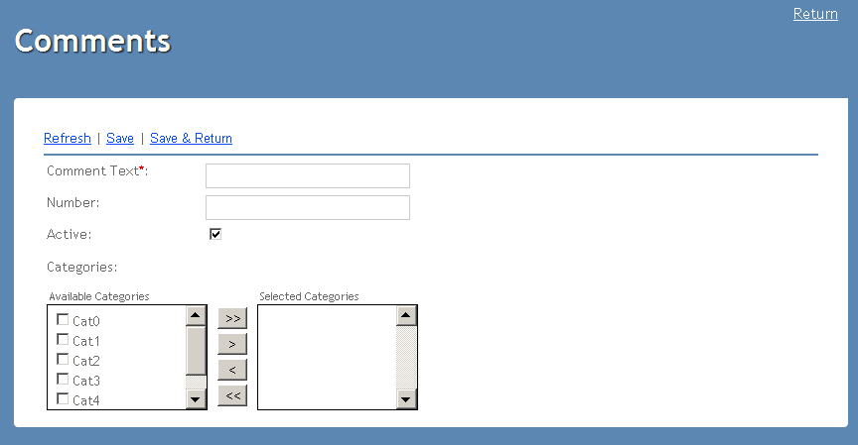

Defects
# | Summary |  | Actual Result | Expected Result | Priority
1 | Spelling of labes is incorrect. | Label 'Categories' is written in russian instead of english. | Категории' | Categories' | Low
2 | UI controls are not visible on the screen after page resizing. | After page resizing listbox 'Selected categories' is not visible. | Listbox 'Selected categories' is not visible after resizing | Listbox 'Selected categories' is visible after resizing | Medium

